Sheet1
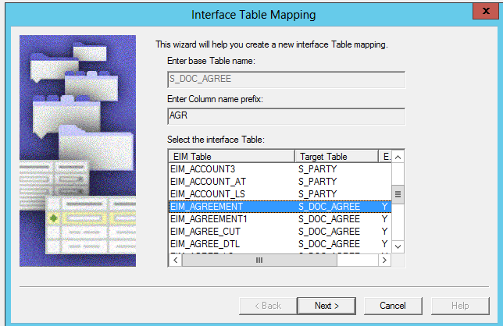
CR/INC/ISSUE # | Defect # | Developer | Project | Object Type | Object Name | Child Object Type | Child Object Name | GrandChild Object Type | GrandChild Object Name | Change Type | Old Value | New Value | Object Type | Comments
CHG213427 | 33571 | Ruchi | Table Agreement | Table | S_DOC_AGREE | Column | X_TMEC_CREATED_DT |  |  | New |  |  | Existing | Create new column- "X_TMEC_CREATED_DT"
CHG213427 | 33571 | Ruchi | Table Agreement | Table | S_DOC_AGREE | Column | X_TMEC_CREATED_DT | Property | Type | New |  | Extension | Existing
CHG213427 | 33571 | Ruchi | Table Agreement | Table | S_DOC_AGREE | Column | X_TMEC_CREATED_DT | Property | Nullable | New |  | Y | Existing
CHG213427 | 33571 | Ruchi | Table Agreement | Table | S_DOC_AGREE | Column | X_TMEC_CREATED_DT | Property | Physical Type | New |  | UTC Date Time | Existing
CHG213427 | 33571 | Ruchi | Table Agreement | Table | S_DOC_AGREE | Column | X_TMEC_CREATED_DT | Property | Length | New |  | 7 | Existing
CHG213427 | 33571 | Ruchi | Table Agreement | Table | S_DOC_AGREE | Column | X_TMEC_CREATED_DT | Property | Status | New |  | Active | Existing
CHG213427 | 33571 | Ruchi | Table Agreement | Table | S_DOC_AGREE | Column | X_TMEC_CREATED_DT | Property | Cascade Clear | New |  | Ignore | Existing
CHG213427 | 33571 | Ruchi | Table Agreement | Table | S_DOC_AGREE | Column | X_TMEC_CREATED_DT | Property | Sequence | New |  | 217 | Existing
CHG213427 | 33571 | Ruchi | Table Agreement | Table | S_DOC_AGREE | Column | X_TMEC_CREATED_BY_ID |  |  | New |  |  | Existing | Create new column- "X_TMEC_CREATED_BY_ID"
CHG213427 | 33571 | Ruchi | Table Agreement | Table | S_DOC_AGREE | Column | X_TMEC_CREATED_BY_ID | Property | Type | New |  | Extension | Existing
CHG213427 | 33571 | Ruchi | Table Agreement | Table | S_DOC_AGREE | Column | X_TMEC_CREATED_BY_ID | Property | Nullable | New |  | Y | Existing
CHG213427 | 33571 | Ruchi | Table Agreement | Table | S_DOC_AGREE | Column | X_TMEC_CREATED_BY_ID | Property | Physical Type | New |  | Varchar | Existing
CHG213427 | 33571 | Ruchi | Table Agreement | Table | S_DOC_AGREE | Column | X_TMEC_CREATED_BY_ID | Property | Length | New |  | 15 | Existing
CHG213427 | 33571 | Ruchi | Table Agreement | Table | S_DOC_AGREE | Column | X_TMEC_CREATED_BY_ID | Property | Status | New |  | Active | Existing
CHG213427 | 33571 | Ruchi | Table Agreement | Table | S_DOC_AGREE | Column | X_TMEC_CREATED_BY_ID | Property | Cascade Clear | New |  | Ignore | Existing
CHG213427 | 33571 | Ruchi | Table Agreement | Table | S_DOC_AGREE | Column | X_TMEC_CREATED_BY_ID | Property | Sequence | New |  | 218 | Existing
CHG213427 | 33571 | Ruchi | Table Agreement | Table | S_DOC_AGREE | Column | X_TMEC_CREATED_BY_ID | Property | Foreign Key Table | New |  | S_USER | Existing

